Specification
 |  |  |  |  |  |  |  |  |  |  |  | FEMALE |  |  |  | 36 | 36.5 | 37 | 38 | 38.5 | 39 | 40 | 40.5 | 41 | 42 | 42.5 | 43 | 44 | 44.5 | 45
 |  |  |  |  |  |  |  |  |  |  |  | MALE |  |  |  | 36 | 36.5 | 37 | 38 | 38.5 | 39 | 40 | 40.5 | 41 | 42 | 42.5 | 43 | 44 | 44.5 | 45 | 46 | 46.5 | 47 | 50 | 51 | 45 | 36 | 37 | 38.5 | 40 | 41 | 42 | 44
 |  |  |  |  |  |  |  |  |  |  |  | 1507
ARTICLE | IMAGE 1 | COLOR | COLOR DESCRIPTION | PRODUCT NAME | SUPPL. DESCRIPTION | COMPOSITION 1 | PARENT GROUP | GENDER | MADE IN | WHS | RRP | QTY | S | M | L | 3.5 | 4 | 4.5 | 5 | 5.5 | 6 | 6.5 | 7 | 7.5 | 8 | 8.5 | 9 | 9.5 | 10 | 10.5 | 11 | 11.5 | 12 | 14 | 15 | 10H | 3H | 4H | 5H | 6H | 7H | 8H | 9H
61GC2321 | 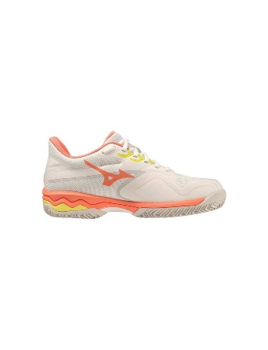 | 55 | SNOW WHITE/FUSION CORAL/S.SPRING | SNEAKERS | SPORTS SHOES WITH UPPERS OF TEXTILE MAT | 100% MATTE FABRIC | ADULT | FEMALE | VIETNAM | €62.50 | €125.00 | 47 |  |  |  |  |  |  |  |  | 19 | 8 | 11 | 8 | 1
61GC2275 | 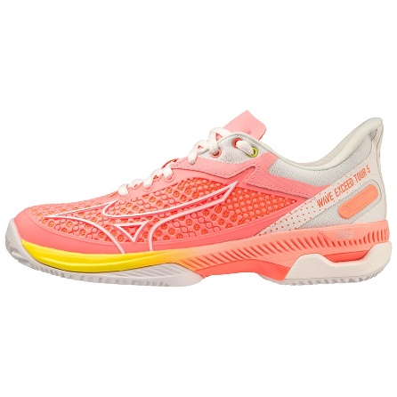 | 56 | CANDY CORAL/SNOW WHITE/NEON FLAME | SNEAKERS | SPORTS SHOES WITH RUBBER/PLASTIC UPPER | 100% MATTE FABRIC | ADULT | FEMALE | VIETNAM | €75.00 | €150.00 | 2 |  |  |  |  | 1 |  |  |  |  | 1
V1GC2312 | 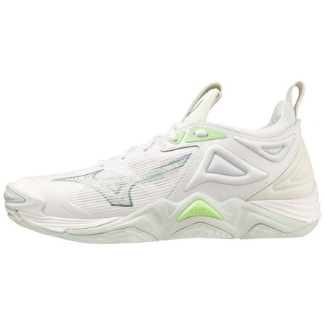 | 35 | WHITE/GLACIAL RIDGE/PATINA GREEN | SNEAKERS | SPORTS SHOES WITH RUBBER/PLASTIC UPPER | 100% MATTE FABRIC | ADULT | FEMALE | VIETNAM | €85.00 | €170.00 | 30 |  |  |  |  |  |  |  |  |  |  |  |  |  | 23 |  |  | 4 | 3
61GC2475 | 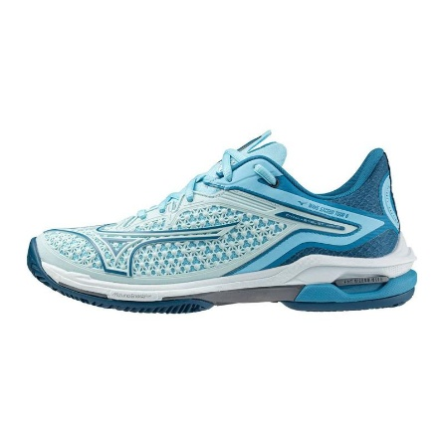 | 25 | BLUE GLOW/SAXONY BLUE/MOR.BLUE | SNEAKERS | SHOE WAVE EXCEED TOUR CC WOS | MESH/SYNTETICA | ADULT | FEMALE | VIETNAM | €75.00 | €150.00 | 4 |  |  |  |  |  |  |  |  |  | 1 |  |  | 3
61GC2475 | 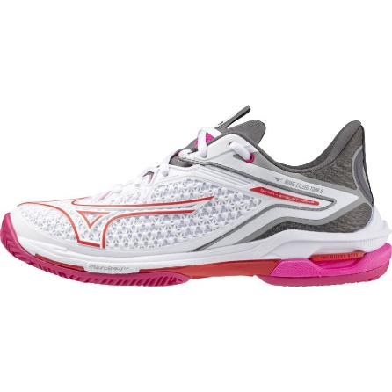 | 58 | WHITE/RADIANT RED/QUIET SHADE | SNEAKERS | SHOE WAVE EXCEED TOUR CC WOS | MESH/SYNTETICA | ADULT | FEMALE | VIETNAM | €75.00 | €150.00 | 6 |  |  |  |  |  |  |  |  |  |  |  |  |  | 5 | 1
J1GK2270 | 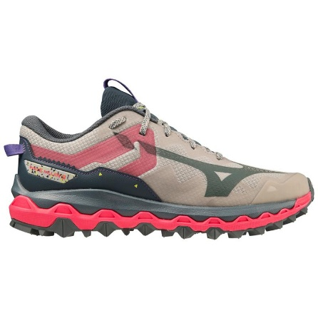 | 22 | MOONSTRUCK/STORMYWEATHER/H.PINK | SNEAKERS | SPORTS SHOES WITH UPPERS OF TEXTILE MAT | 100% MATTE FABRIC | ADULT | FEMALE | VIETNAM | €80.00 | €160.00 | 1 |  |  |  |  | 1
J1GD2310 | 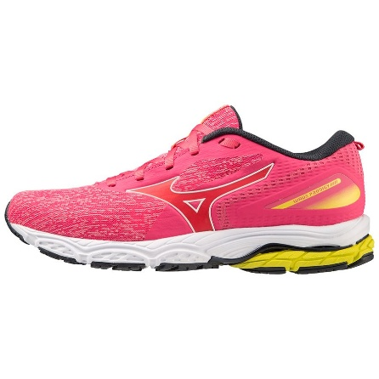 | 21 | VIVID PINK/SNOW WHITE/S.SPRING | SNEAKERS | SHOE WAVE PRODIGY WOS | MESH/SYNTETICA | ADULT | FEMALE | VIETNAM | €60.00 | €120.00 | 1 |  |  |  |  |  |  |  |  |  |  |  |  |  | 1
J1GD2310 | 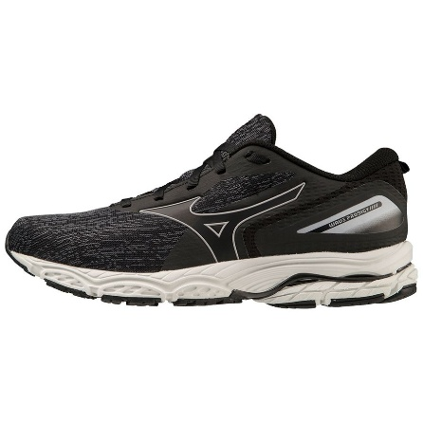 | 22 | BLACK/PEARL BLUE/ALPENGLOW | SNEAKERS | SHOE WAVE PRODIGY WOS | MESH/SYNTETICA | ADULT | FEMALE | VIETNAM | €60.00 | €120.00 | 3 |  |  |  |  |  |  |  |  | 3
J1GD2409 | 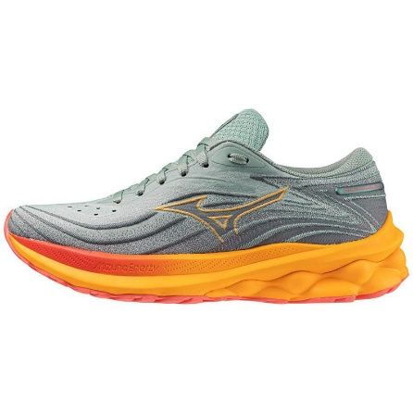 | 21 | ABYSS/DUBARRY/CARROT CURL | SNEAKERS | SHOE WAVE SKYRISE WOS | MESH/SYNTETICA | ADULT | FEMALE | VIETNAM | €75.00 | €150.00 | 1 |  |  |  |  | 1
J1GD2409 | 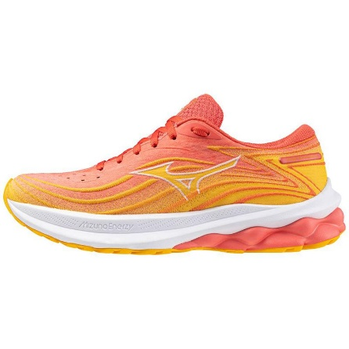 | 22 | DUBARRY/WHITE/CITRUS | SNEAKERS | SHOE WAVE SKYRISE WOS | MESH/SYNTETICA | ADULT | FEMALE | VIETNAM | €75.00 | €150.00 | 17 |  |  |  |  | 17
J1GD2418 | 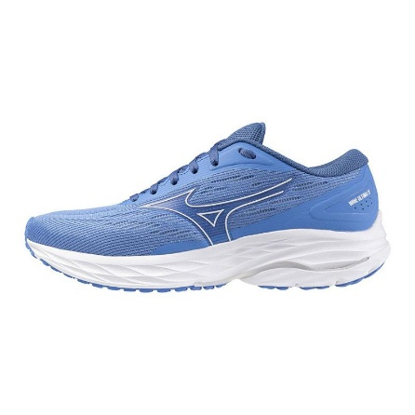 | 23 | MARINA/WHITE/CERULEAN | SNEAKERS | SHOE WAVE ULTIMA WOS | MESH/SYNTETICA | ADULT | FEMALE | VIETNAM | €72.50 | €145.00 | 5 |  |  |  |  | 5
J1GK2271 | 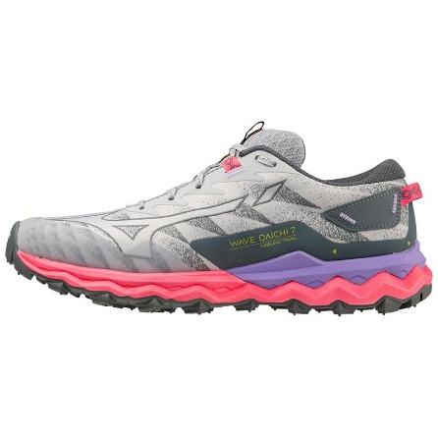 | 42 | PEARLBLUE/HIGH-VIS PINK/P.PUNCH | SNEAKERS | SHOE WAVE DAICHI WOS | 80% POLYESTER 20% POLYURETHANE | ADULT | FEMALE | VIETNAM | €75.00 | €150.00 | 11 |  |  |  |  | 11
J1GK2273 | 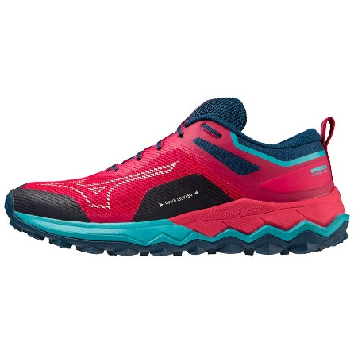 | 21 | JAZZY/BLUEBIRD/BLUE OPAL | SNEAKERS | SHOE WAVE IBUKI WOS | MESH/SYNTETICA | ADULT | FEMALE | VIETNAM | €60.00 | €120.00 | 2 |  |  |  |  |  |  |  |  |  |  |  |  | 2
J1GK2470 | 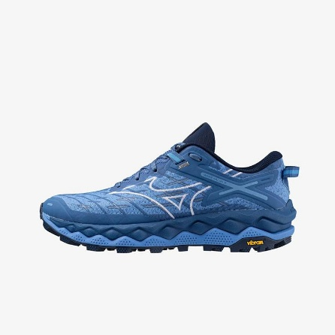 | 22 | MARINA/WHITE/FEDERAL BLUE | SNEAKERS | SHOE WAVE MUJIN WOS | MESH/SYNTETICA | ADULT | FEMALE | VIETNAM | €80.00 | €160.00 | 1 |  |  |  |  | 1
V1GC2250 | 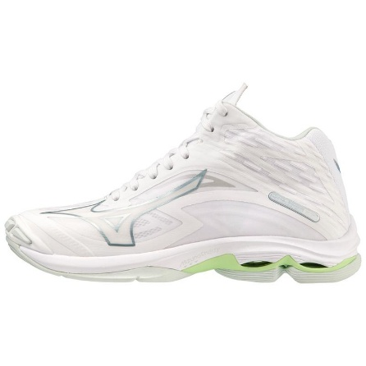 | 37 | WHITE/GLACIAL RIDGE/PATINA GREEN | SNEAKERS | SPORTS SHOES WITH UPPERS OF TEXTILE MAT | 100% MATTE FABRIC | ADULT | FEMALE | VIETNAM | €80.00 | €160.00 | 4 |  |  |  |  |  |  |  |  |  |  |  |  |  |  |  |  |  | 4
X1GB2260 | 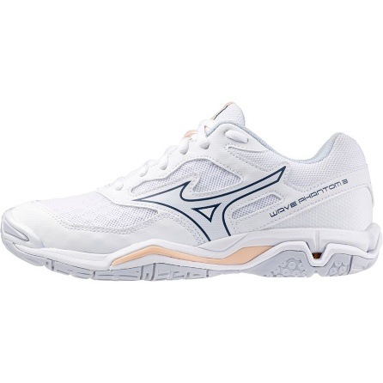 | 00 | WHITE/NAVY PEONY/PEACH PARFAIT | SNEAKERS | SHOE WAVE PHANTOM WOS | MESH/SYNTETICA | ADULT | FEMALE | VIETNAM | €55.00 | €110.00 | 2 |  |  |  |  |  |  |  |  |  |  |  |  |  |  |  | 2
X1GB2350 | 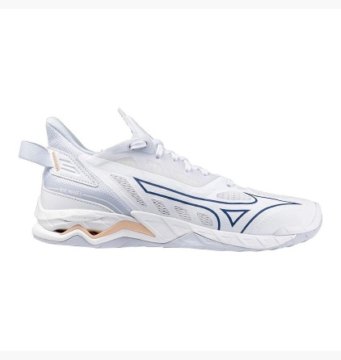 | 00 | WHITE/NAVY PEONY/PEACH PARFAIT | SNEAKERS | SHOE WAVE MIRAGE WOS | MESH/SYNTETICA | ADULT | FEMALE | VIETNAM | €80.00 | €160.00 | 15 |  |  |  |  |  |  |  |  |  | 15
D1GA3309 |  | 05 | MOTHER OF PEARL/INDIA INK/C.COFFEE | SNEAKERS | SHOE S.L.WAVE RIDER B | POLYESTERAND LEATHER UPPER | ADULT | MALE | VIETNAM | €78.50 | €157.00 | 3 |  |  |  |  |  |  |  |  |  |  |  |  |  |  |  |  |  |  |  |  | 1 |  |  |  |  |  |  | 1 |  |  | 1
D1GA2321 |  | 01 | NIMBUS CLOUD/BLACK OYSTER/ Q.SHADE | SNEAKERS | SPORTS SHOES WITH UPPERS OF TEXTILE MAT | POLYESTERAND LEATHER UPPER | ADULT | MALE | VIETNAM | €74.00 | €148.00 | 2 |  |  |  |  |  |  |  |  |  |  |  |  |  |  |  |  |  |  | 2
D1GA2429 |  | 01 | WHITE SAND/SILVER/SKY BLUE | SNEAKERS | SHOE WAVE PROPHECY BETA | UPPER: TEXTILE, LEATHER | ADULT | MALE | VIETNAM | €109.00 | €218.00 | 1 |  |  |  |  |  |  |  |  | 1
D1GA3309 |  | 12 | VINTAGE KHAKI/MAJOR BROWN/M.PEARL | SNEAKERS | SHOE S.L.WAVE RIDER B | POLYESTERAND LEATHER UPPER | ADULT | MALE | VIETNAM | €78.50 | €157.00 | 1 |  |  |  |  |  |  |  |  |  |  |  |  |  |  |  | 1
D1GA2373 | 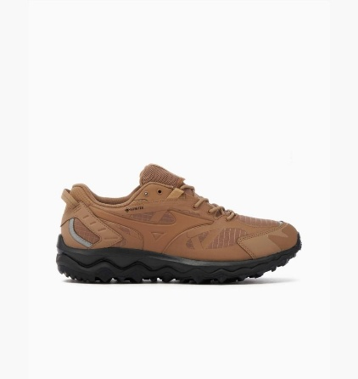 | 02 | TIGER'S EYE/TIGER'S EYE/BLACK | SNEAKERS | SHOE S.L. WAVE MUJIN TL GTX | UPPER: TEXTILE GORE TEX | ADULT | MALE | VIETNAM | €82.50 | €165.00 | 45 |  |  |  |  |  |  | 5 |  | 3 |  |  |  |  |  | 6 |  | 1 |  | 2 |  |  |  |  |  |  | 7 | 5 | 4 |  | 4 | 8
D1GA2427 | 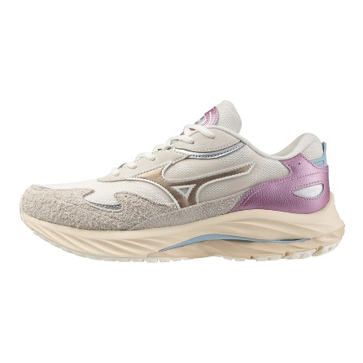 | 01 | WHITE SAND/SILVER/SKY BLUE | SNEAKERS | SHOE WAVE RIDER BETA | UPPER: TEXTILE, LEATHER | ADULT | MALE | VIETNAM | €78.50 | €157.00 | 45 |  |  |  |  | 2 |  |  |  |  |  |  | 5 | 8 |  | 12 | 12 | 1 | 4 | 1
X1GA2010 | 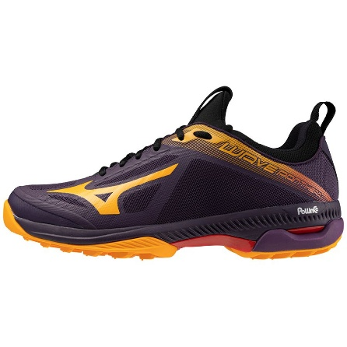 | 76 | PURPLEMAGIC/CARROTCURL/HGHRSKRED | SNEAKERS | SHOE WAVE PANTHERA | MESH/SYNTETICA | ADULT | MALE | VIETNAM | €75.00 | €150.00 | 123 |  |  |  |  | 4 | 11 | 29 | 25 | 34 | 19 | 1
X1GA2000 | 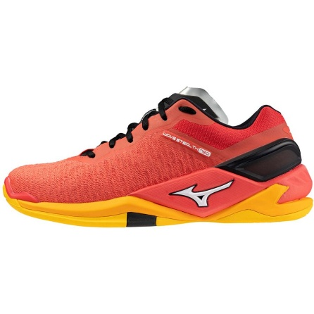 | 01 | RADIANT RED/WHITE/CARROT CURL | SNEAKERS | SHOE WAVE STEALTH NEO | 80% POLYESTER 20% POLYURETHANE | ADULT | MALE | VIETNAM | €85.00 | €170.00 | 42 |  |  |  |  |  |  |  |  |  | 3 | 3 | 2 | 3 |  | 10 | 10 | 5 | 3 | 2 | 1
X1GA2311 | 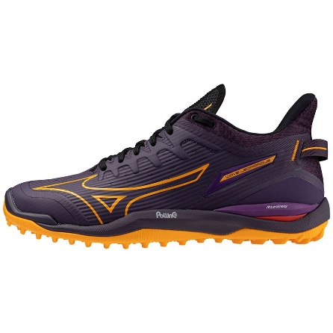 | 76 | PURPLEMAGIC/CARROTCURL/HGHRSKRED | SNEAKERS | SHOE WAVE LEOPARDUS | MESH/SYNTETICA | ADULT | MALE | VIETNAM | €80.00 | €160.00 | 66 |  |  |  |  |  | 4 | 10 | 10 | 10 | 8 | 8 | 3 | 7 |  | 4 | 2
X1GA2320 | 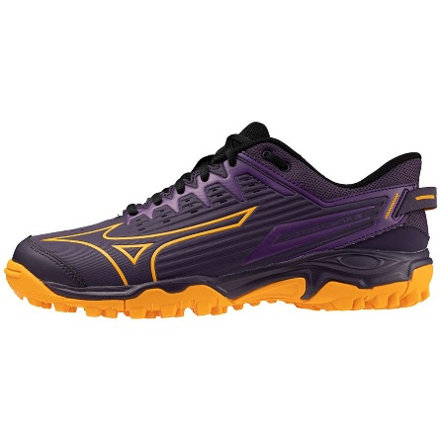 | 76 | PURPLEMAGIC/CARROTCURL/HGHRSKRED | SNEAKERS | SHOE WAVE LYNX | MESH/SYNTETICA | ADULT | MALE | VIETNAM | €55.00 | €110.00 | 27 |  |  |  |  | 3 | 7 | 6 | 11
D1GA2373 | 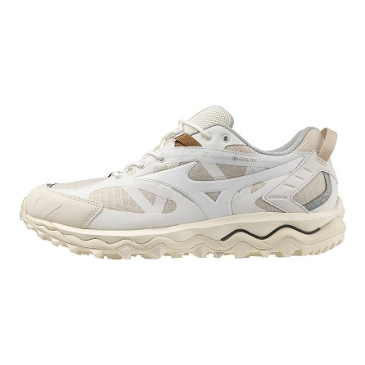 | 04 | SUMMER SAND/WHITE/M.PEARL | SNEAKERS | SHOE S.L. WAVE MUJIN TL GTX | UPPER: TEXTILE GORE TEX | ADULT | MALE | VIETNAM | €82.50 | €165.00 | 50 |  |  |  |  |  |  |  |  |  | 3 |  | 1 |  | 1 | 2 | 18 | 17 | 2 | 6
D1GA2373 | 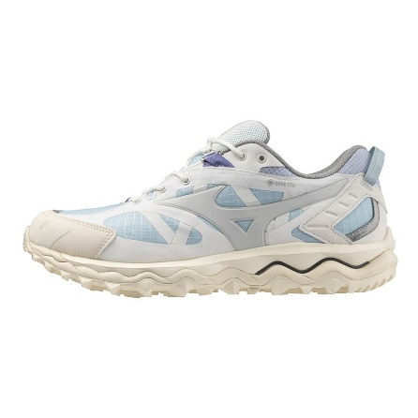 | 05 | SUMMER SAND/GRAY VIOLET/ST.BLUE | SNEAKERS | SHOE S.L. WAVE MUJIN TL GTX | UPPER: TEXTILE GORE TEX | ADULT | MALE | VIETNAM | €82.50 | €165.00 | 35 |  |  |  |  |  |  |  |  |  |  | 10 | 2 | 1 | 4 |  | 3 | 7 | 6 | 2
Q1GB2403 |  | 92 | MYSTERIOSO/SILVER | SNEAKERS | SHOE MRL SALA CLUB TF | SYNTETICA | ADULT | MALE | CAMBODIA | €35.00 | €70.00 | 47 |  |  |  |  |  |  |  |  | 1 | 2 | 1 | 8 | 8 | 9 | 9 | 9
X1GA2311 | 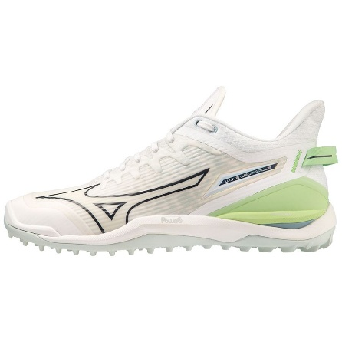 | 35 | WHITE/GLACIALRIDGE/LOLITE | SNEAKERS | SHOE WAVE LEOPARDUS | MESH/SYNTETICA | ADULT | MALE | VIETNAM | €80.00 | €160.00 | 56 |  |  |  |  | 4 | 4 | 10 | 10 | 10 | 8 | 7 | 3
D1GA2202 | 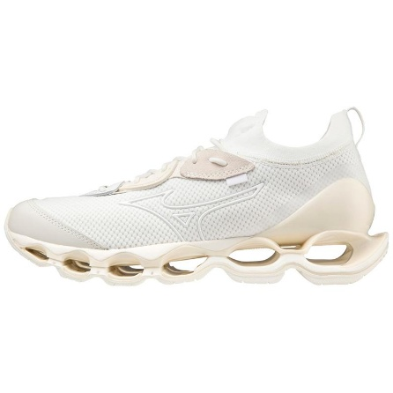 | 01 | SNOW WHITE/WHITE/VANILLAICE | SNEAKERS | SHOE S.L.WAVE PROPHECY BETA | UPPER: TEXTILE, LEATHER | ADULT | MALE | VIETNAM | €109.00 | €218.00 | 129 |  |  |  |  |  |  | 18 |  | 43 |  |  |  |  |  | 10 |  |  |  |  |  |  |  |  |  |  | 31 | 20 | 7
D1GA2356 | 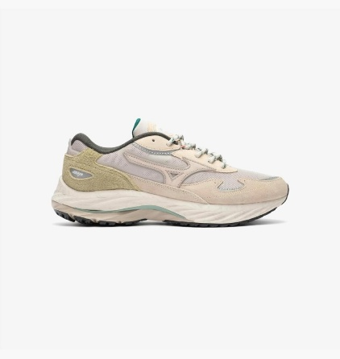 | 01 | SILVER CLOUD/WHITE SAND/CEDAR | SNEAKERS | SHOE S.L. WAVE RIDER BETA | POLYESTER AND LEATHER UPPER | ADULT | MALE | VIETNAM | €78.50 | €157.00 | 55 |  |  |  |  | 4 |  | 9 |  | 4 |  |  |  |  |  |  |  |  |  |  |  |  |  |  |  |  | 12 | 14 | 12
D1GA2369 | 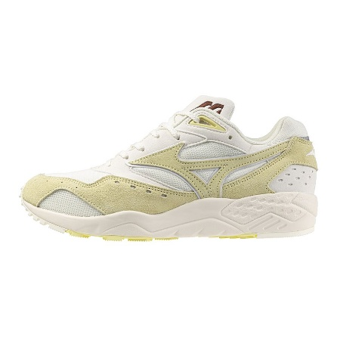 | 10 | FRENCH VANILLA/FRENCH VANILLA/ | SNEAKERS | SHOE S.L. CONTENDER | 80% POLYESTER 20% POLYURETHANE | ADULT | MALE | VIETNAM | €56.50 | €113.00 | 4 |  |  |  |  |  |  |  |  |  | 1 | 1 |  |  |  |  |  |  |  | 1 |  | 1
D1GA2423 | 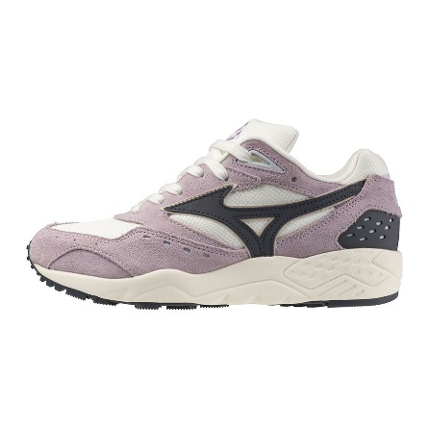 | 01 | LAVENDER FROST/INDIA INK/S.WHITE | SNEAKERS | SHOE CONTENDER | UPPER: TEXTILE, LEATHER | ADULT | MALE | VIETNAM | €61.00 | €122.00 | 19 |  |  |  |  |  | 2 | 3 |  | 11 |  |  | 1 |  |  |  | 2
D1GA3309 | 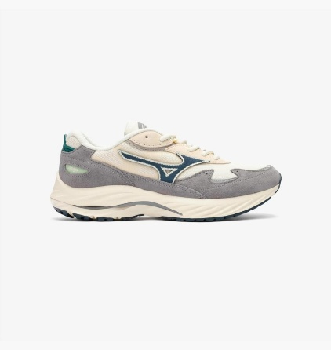 | 07 | PRISTINE/MOONLITOCEAN/QUICKSILVER | SNEAKERS | SHOE S.L.WAVE RIDER B | POLYESTER AND LEATHER UPPER | ADULT | MALE | VIETNAM | €78.50 | €157.00 | 31 |  |  |  |  | 3 |  |  |  | 7 |  |  |  |  |  |  |  |  |  |  |  |  |  |  |  |  | 3 | 5 | 6 | 7
D1GA3309 | 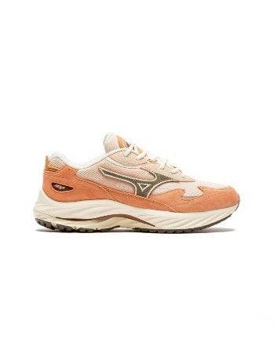 | 10 | PEACH BLOOM/MAJOR BROWN/M.PEARL | SNEAKERS | SHOE S.L.WAVE RIDER B | POLYESTER AND LEATHER UPPER | ADULT | MALE | VIETNAM | €78.50 | €157.00 | 8 |  |  |  |  |  | 2 | 1 | 2 |  | 2 |  |  |  |  |  |  | 1
P1GD2425 | 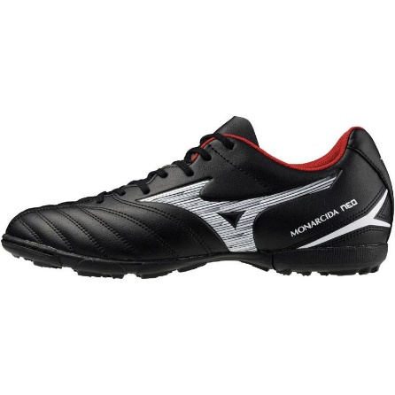 | 01 | BLACK/WHITE | SNEAKERS | SHOE MONARCIDA NEO SELECT AS | SYNTETICA | ADULT | MALE | CAMBODIA | €35.00 | €70.00 | 22 |  |  |  |  |  |  |  |  |  | 3 | 5 | 2 | 5 | 5 | 2
P1GD2425 | 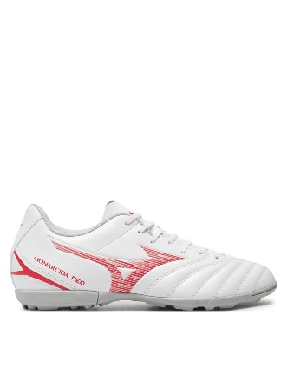 | 60 | WHITE/RADIANT RED | SNEAKERS | SHOE MONARCIDA NEO SELECT AS | SYNTETICA | ADULT | MALE | CAMBODIA | €35.00 | €70.00 | 10 |  |  |  |  |  |  |  |  |  |  | 1 | 1 | 3 | 1 |  |  | 3 |  | 1
Q1GB2403 | 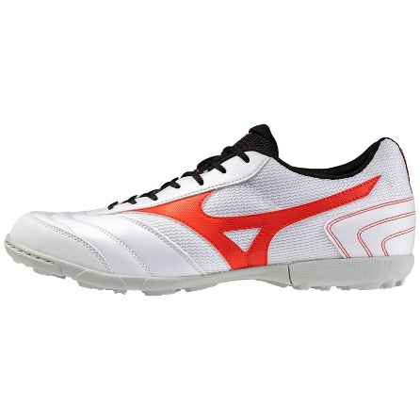 | 91 | WHITE/RADIANT RED | SNEAKERS | SHOE MRL SALA CLUB TF | SYNTETICA | ADULT | MALE | CAMBODIA | €35.00 | €70.00 | 44 |  |  |  |  |  |  |  |  | 2 | 1 | 5 | 1 |  |  |  | 4 | 31
X1GA2000 | 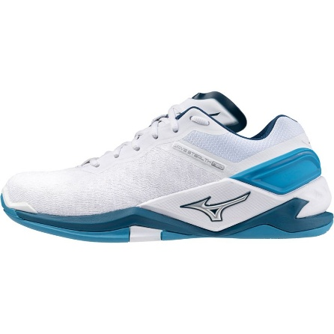 | 86 | WHITE/SAILOR BLUE/SILVER | SNEAKERS | SHOE WAVE STEALTH NEO | 80% POLYESTER 20% POLYURETHANE | ADULT | MALE | VIETNAM | €85.00 | €170.00 | 7 |  |  |  |  |  |  |  |  |  |  | 2 |  |  |  |  | 2 | 1 | 1 |  | 1
61GC2274 | 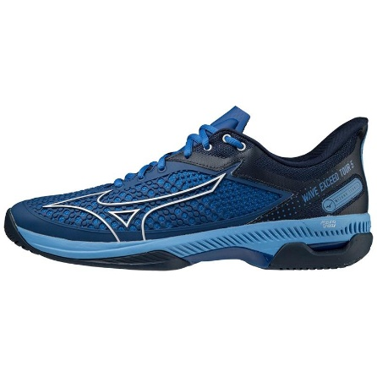 | 38 | BLACK/SILVER/TECHNO GREEN | SNEAKERS | SPORTS SHOES WITH RUBBER/PLASTIC UPPER | 100% MATTE FABRIC | ADULT | MALE | VIETNAM | €75.00 | €150.00 | 5 |  |  |  |  |  |  |  |  |  | 1 | 1 |  |  |  |  |  |  | 1 | 1 |  | 1
81GA2130 | 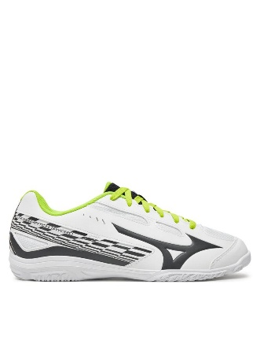 | 43 | WHITE/VULCAN/ACIDLIME | SNEAKERS | SHOE CROSSMATCH SWORD | MESH/SYNTETICA | ADULT | MALE | CAMBODIA | €45.00 | €90.00 | 24 |  |  |  |  |  |  |  |  |  |  | 8 |  | 3 |  |  |  |  |  |  |  |  |  |  |  |  |  |  | 1 | 5 |  | 7
81GA2325 | 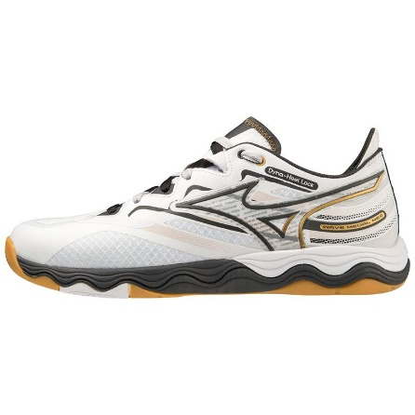 | 02 | WHITE/BLACKOYSTER/MPGOLD | SNEAKERS | SHOE WAVE MEDAL NEO | 80% POLYESTER 20% POLYURETHANE | ADULT | MALE | VIETNAM | €70.00 | €140.00 | 3 |  |  |  | 2 |  |  |  | 1
D1GA2202 | 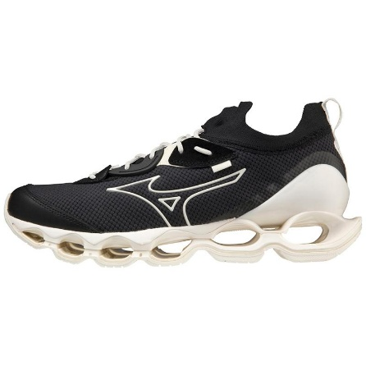 | 02 | BLACK/SNOWWHITE/SNOWWHITE | SNEAKERS | SHOE S.L.WAVE PROPHECY BETA | UPPER: TEXTILE, LEATHER | ADULT | MALE | VIETNAM | €109.00 | €218.00 | 26 |  |  |  |  |  |  |  |  | 18 |  |  |  |  |  | 1 |  |  |  |  |  |  |  |  | 3 |  | 3 | 1
D1GA2373 | 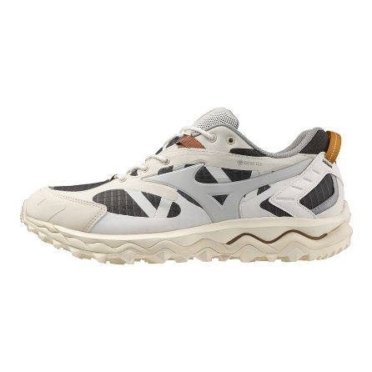 | 03 | SUMMER SAND/GRAYVIOLET/DARKSHADOW | SNEAKERS | SHOE S.L. WAVE MUJIN TL GTX | UPPER: TEXTILE GORE TEX | ADULT | MALE | VIETNAM | €82.50 | €165.00 | 30 |  |  |  |  |  |  | 2 |  |  | 14 |  |  |  |  |  |  | 12 | 1 | 1
D1GA3309 | 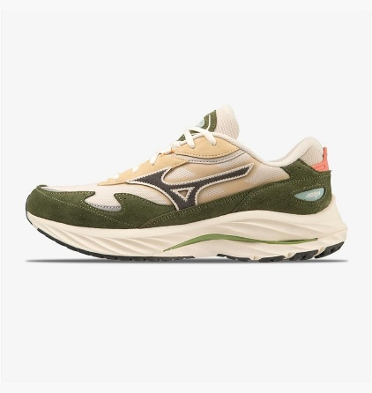 | 06 | SUMMERSAND/DARKSHADOW/RIFLEGREEN | SNEAKERS | SHOE S.L.WAVE RIDER B | POLYESTER AND LEATHER UPPER | ADULT | MALE | VIETNAM | €78.50 | €157.00 | 10 |  |  |  |  | 3 |  | 1 |  |  |  |  |  |  |  |  |  |  |  |  |  | 1 |  |  |  |  | 3 | 2
Q1GB2403 | 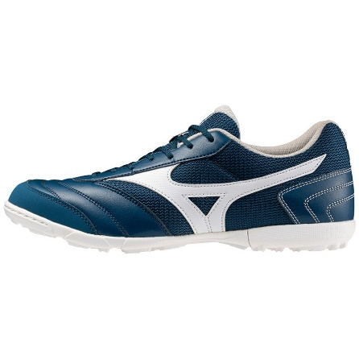 | 90 | SAILOR BLUE/WHITE | SNEAKERS | SHOE MRL SALA CLUB TF | SYNTETICA | ADULT | MALE | CAMBODIA | €35.00 | €70.00 | 20 |  |  |  |  |  |  |  |  |  |  |  | 5 | 6 | 3 | 3 | 3
X1GA2000 | 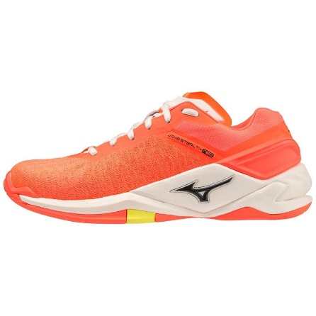 | 04 | NEON FLAME/BLACK/BOLT (NEON) | SNEAKERS | SHOE WAVE STEALTH NEO | 80% POLYESTER 20% POLYURETHANE | ADULT | MALE | VIETNAM | €85.00 | €170.00 | 34 |  |  |  |  |  |  |  | 12 | 8 | 4 | 5 |  | 5
D1GA2377 | 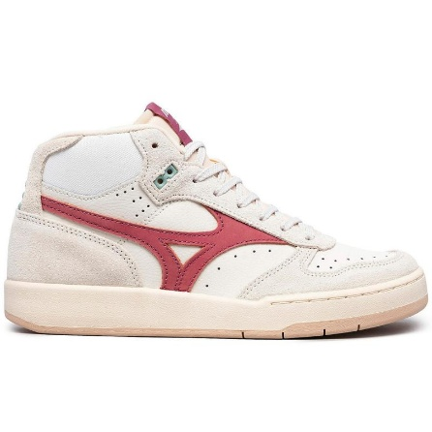 | 01 | SNOW WHITE/MELLOW MAUVE/BLUE SURF | SNEAKERS | FOOTBALL/RUGBY LEATHER UPPER (TECH) | POLYESTER AND LEATHER UPPER | ADULT | MALE | VIETNAM | €61.00 | €122.00 | 23 |  |  |  |  |  |  |  |  | 14 | 7 |  |  |  |  | 1 | 1
D1GA2433 | 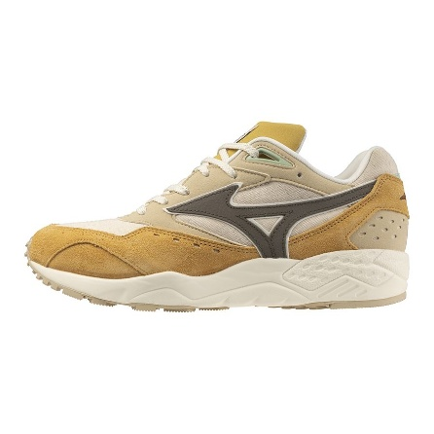 | 01 | SPRUCE YELLOW/MAJORBROWN/PRISTINE | SNEAKERS | SHOE CONTENDER | UPPER: TEXTILE, LEATHER | ADULT | MALE | VIETNAM | €61.00 | €122.00 | 8 |  |  |  |  |  | 3 |  |  |  |  |  |  |  |  |  |  |  |  | 4 | 1
X1GA2000 | 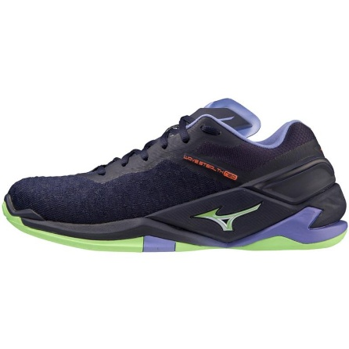 | 11 | EVENING BLUE/TECHNO GREEN/IOLITE | SNEAKERS | SHOE WAVE STEALTH NEO | 80% POLYESTER 20% POLYURETHANE | ADULT | MALE | VIETNAM | €85.00 | €170.00 | 17 |  |  |  |  | 1 | 4 | 3 | 9
61GB2306 | 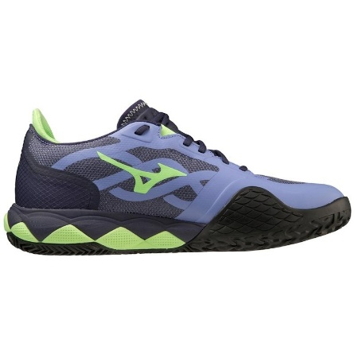 | 67 | IOLITE/TECHNO GREEN/EVENING BLUE | SNEAKERS | SPORTS SHOES WITH RUBBER/PLASTIC UPPER | 100% MATTE FABRIC | ADULT | MALE | VIETNAM | €80.00 | €160.00 | 4 |  |  |  |  |  |  |  |  |  | 2 | 1 | 1
61GC2255 | 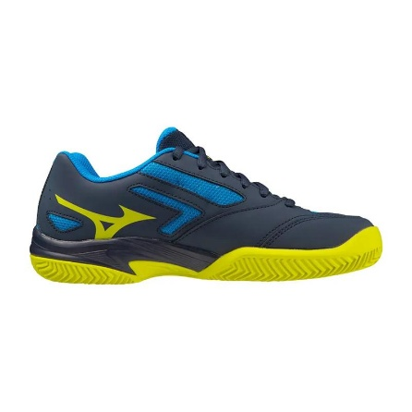 | 14 | DRESS BLUES/BOLT (NEON)/CLOISONNÉ | SNEAKERS | SPORTS SHOES WITH RUBBER/PLASTIC UPPER | 100% MATTE FABRIC | ADULT | MALE | CAMBODIA | €37.50 | €75.00 | 9 |  |  |  |  |  | 1 | 1 |  |  | 7
61GC2478 | 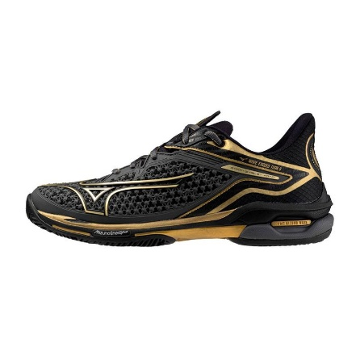 | 52 | IRON GATE/GOLD/BLACK | SNEAKERS | SHOE WAVE EXCEED TOUR CC | MESH/SYNTETICA | ADULT | MALE | VIETNAM | €75.00 | €150.00 | 5 |  |  |  |  |  |  |  |  |  | 2 | 2 | 1
J1GC2444 |  | 06 | FEDERAL BLUE/WHITE/ALASKAN BLUE | SNEAKERS | SHOE WAVE INSPIRE | MESH/SYNTETICA | ADULT | MALE | VIETNAM | €80.00 | €160.00 | 5 |  |  |  |  |  |  |  |  |  | 1 |  |  |  |  |  |  |  |  |  |  |  | 3 | 1
J1GC2451 |  | 31 | WHITE/METALLIC GRAY/SILVER | SNEAKERS | SHOE WAVE PROPHECY | MESH/SYNTETICA | ADULT | MALE | VIETNAM | €125.00 | €250.00 | 16 |  |  |  |  |  | 3 | 8 | 5
P1GD2425 |  | 45 | S.YELLOW/FIERY CORAL 2 | SNEAKERS | SHOE MONARCIDA NEO SELECT AS | SYNTETICA | ADULT | MALE | CAMBODIA | €35.00 | €70.00 | 3 |  |  |  |  |  |  |  |  |  |  | 1 |  |  |  |  |  | 2
V1GA2120 |  | 02 | NEON FLAME/BLACK/BOLT (NEON) | SNEAKERS | SPORTS SHOES WITH UPPERS OF TEXTILE MAT | 80% POLYESTER 20% POLYURETHANE | ADULT | MALE | VIETNAM | €75.00 | €150.00 | 6 |  |  |  |  |  |  |  |  |  |  | 2 |  |  |  |  | 1 | 3
X1GA2260 |  | 11 | EVENING BLUE/TECHNO GREEN/IOLITE | SNEAKERS | SHOE WAVE PHANTOM | 80% POLYESTER 20% POLYURETHANE | ADULT | MALE | VIETNAM | €55.00 | €110.00 | 10 |  |  |  |  |  | 3 | 3 |  |  |  | 4
X1GA2311 |  | 11 | EBLUE/TECHGREEN/LOLITE | SNEAKERS | SHOE WAVE LEOPARDUS | MESH/SYNTETICA | ADULT | MALE | VIETNAM | €80.00 | €160.00 | 13 |  |  |  |  |  |  | 5 | 4 |  |  | 4
61GC2474 |  | 61 | RADIANT RED/WHITE/BLACK | SNEAKERS | SHOE WAVE EXCEED TOUR CC | MESH/SYNTETICA | ADULT | MALE | VIETNAM | €75.00 | €150.00 | 1 |  |  |  |  |  |  |  |  |  |  |  | 1
D1GA2387 |  | 01 | SILVER CLOUD/WHITE SAND/CEDAR | SNEAKERS | SHOE S.L. WAVE PROPHECY LS | UPPER: TEXTILE, LEATHER | ADULT | MALE | VIETNAM | €109.00 | €218.00 | 104 |  |  |  |  |  |  |  |  |  |  |  |  |  |  |  |  |  |  |  |  |  |  |  |  |  |  |  |  | 47 | 57
D1GA2432 |  | 01 | PEACH BLOOM/GREENLAKE/PRISTINE | SNEAKERS | SHOE CONTENDER | UPPER: TEXTILE, LEATHER | ADULT | MALE | VIETNAM | €61.00 | €122.00 | 6 |  |  |  |  | 6
J1GJ2456 |  | 01 | EBONY/ULTIMATE GRAY/BLACK | SNEAKERS | SHOE WAVE DAICHI GTX | MESH/SYNTETICA | ADULT | MALE | VIETNAM | €80.00 | €160.00 | 5 |  |  |  |  |  |  |  |  | 3 | 2
U1GD2417 |  | 01 | WHITE/HARBOR MIST/CAYENNE | SNEAKERS | SHOE WAVE REBELLION PRO | MESH/SYNTETICA | ADULT | MALE | VIETNAM | €120.00 | €240.00 | 9 |  |  |  |  |  |  |  |  |  |  | 9
V1GA2312 |  | 02 | NEON FLAME/BLACK/BOLT (NEON) | SNEAKERS | SPORTS SHOES WITH RUBBER/PLASTIC UPPER | 100% MATTE FABRIC | ADULT | MALE | VIETNAM | €85.00 | €170.00 | 14 |  |  |  |  |  |  |  |  |  |  |  |  |  |  |  |  |  |  |  | 9 | 5
61GB2323 |  | 91 | CALLISTE GREEN/PINK GLO/BLACK | SNEAKERS | SPORTS SHOES WITH UPPERS OF TEXTILE MAT | 100% MATTE FABRIC | ADULT | MALE | VIETNAM | €62.50 | €125.00 | 1 |  |  |  |  |  |  |  |  |  |  |  | 1
61GB2335 |  | 67 | EVENING BLUE/PATINA GREEN/IOLITE | SNEAKERS | SPORTS SHOES WITH RUBBER/PLASTIC UPPER | 80% POLYESTER 20% POLYURETHANE | ADULT | MALE | VIETNAM | €42.50 | €85.00 | 2 |  |  |  |  |  |  |  |  | 2
61GC2304 |  | 27 | MOROCCAN BLUE/WHITE/BLUEJAY | SNEAKERS | SHOE WAVE ENFORCE TOUR CC | MESH/SYNTETICA | ADULT | MALE | VIETNAM | €80.00 | €160.00 | 2 |  |  |  |  |  |  |  |  |  | 2
D1GA2364 |  | 01 | SILVER CLOUD/WHITE SAND/CEDAR | SNEAKERS | SHOE S.L. WAVE MUJIN TL | POLYESTER AND LEATHER UPPER | ADULT | MALE | VIETNAM | €82.50 | €165.00 | 13 |  |  |  |  |  |  |  |  |  |  |  |  |  |  |  |  |  |  |  |  |  |  |  |  |  |  |  |  |  |  | 13
J1GC2310 |  | 03 | BLUE DEPTHS/WHITE/TECHNO GREEN | SNEAKERS | SHOE WAVE PRODIGY | MESH/SYNTETICA | ADULT | MALE | VIETNAM | €60.00 | €120.00 | 14 |  |  |  |  |  |  |  |  | 14
J1GC2310 |  | 53 | TURBULENCE/CITRUS/CAYENNE | SNEAKERS | SHOE WAVE PRODIGY | MESH/SYNTETICA | ADULT | MALE | VIETNAM | €60.00 | €120.00 | 2 |  |  |  |  |  |  |  |  | 2
J1GC2318 |  | 51 | SULPHURSPRING/OMBRE BLUE/AQUARIUS | SNEAKERS | SHOE WAVE ULTIMA | MESH/SYNTETICA | ADULT | MALE | VIETNAM | €72.50 | €145.00 | 1 |  |  |  |  |  |  |  |  |  |  |  | 1
J1GC2451 |  | 32 | BLACK/GOLD/METALLIC GRAY | SNEAKERS | SHOE WAVE PROPHECY | MESH/SYNTETICA | ADULT | MALE | VIETNAM | €125.00 | €250.00 | 2 |  |  |  |  |  | 2
J1GC2461 |  | 02 | WHITE/SILVER/BLUEGLOW | SNEAKERS | SHOE WAVE INSPIRE SP | MESH/SYNTETICA | ADULT | MALE | VIETNAM | €80.00 | €160.00 | 2 |  |  |  |  |  | 2
J1GD2203 |  | 75 | SPICED CORAL/VAP.GRAY/FRENCH BLUE | SNEAKERS | SHOE WAVE RIDER WOS | MESH/SYNTETICA | ADULT | MALE | VIETNAM | €80.00 | €160.00 | 4 |  |  |  |  |  |  |  |  |  |  |  |  |  |  |  |  |  |  |  |  |  |  |  |  |  |  |  | 4
J1GJ2271 |  | 32 | GHOST GRAY/OMBRE BLUE/BOLT (NEON) | SNEAKERS | SHOE WAVE DAICHI | MESH/SYNTETICA | ADULT | MALE | VIETNAM | €75.00 | €150.00 | 2 |  |  |  |  |  |  |  |  |  |  |  |  |  |  |  |  |  |  |  |  |  |  |  |  |  |  |  |  |  |  | 2
J1GJ2273 |  | 01 | TIGERLILY/DRESS BLUES/SNORKELBLUE | SNEAKERS | SHOE WAVE IBUKI | MESH/SYNTETICA | ADULT | MALE | VIETNAM | €60.00 | €120.00 | 1 |  |  |  |  |  |  |  |  |  |  |  |  |  |  |  |  |  |  |  |  |  |  |  |  |  |  |  |  | 1
J1GK2259 |  | 71 | LANTANA/QUIET SHADE/BLUEBIRD | SNEAKERS | SHOE WAVE IBUKI GTX WOS | MESH/SYNTETICA | ADULT | MALE | VIETNAM | €65.00 | €130.00 | 2 |  |  |  |  |  |  | 2
X1GA2020 |  | 10 | WHITE/CLEARWATER/CAYENNE | SNEAKERS | SHOE WAVE LYNX | MESH/SYNTETICA | ADULT | MALE | VIETNAM | €55.00 | €110.00 | 1 |  |  |  |  |  | 1
X1GC2030 |  | 02 | SKYCAPTAIN/SILVER/VBLUE | SNEAKERS | SHOE WAVE LYNX JNR | MESH/SYNTETICA | ADULT | MALE | VIETNAM | €40.00 | €80.00 | 1 |  |  |  |  |  |  |  |  |  |  |  |  |  |  |  |  |  |  |  |  |  |  |  |  | 1
J1GC2419 |  | 51 | ALASKAN BLUE/SUNNY GREEN/D.BLUES | SNEAKERS | SHOE WAVE STREAM | MESH/SYNTETICA | ADULT | MALE | VIETNAM | €67.00 | €134.00 | 16 |  |  |  |  |  |  |  |  |  | 5 |  | 3 |  | 5 |  |  |  | 3
J2GX1050 |  | 54 | NASTURTIUM | SOCKS | DRYLITE RACE MID SOCK (6 PACK) | 82% POLYESTER 14% NYLON 4% ELASTANE | ADULT | MALE | TAJIKISTAN | €48.00 | €96.00 | 5 | 2 | 2 | 1
J2GX9A71 |  | 52 | MIZUNO SOLEIL | SOCKS | COMPRESSION SUPPORTER(Pack 6) | 73% NYLON 17% ELASTANE 10% POLYESTER | ADULT | MALE | TAJIKISTAN | €60.00 | €120.00 | 1 |  | 1
J2GX1055 |  | 98 | BLACK/LIGHT GREEN | SOCKS 2 PACK | ACTIVE TR MID 2P SOCK(6 PACK) | 82% POLYESTER 14% NYLON 4% ELASTANE | ADULT | MALE | TAJIKISTAN | €48.00 | €96.00 | 1 |  | 1

